Sheet1
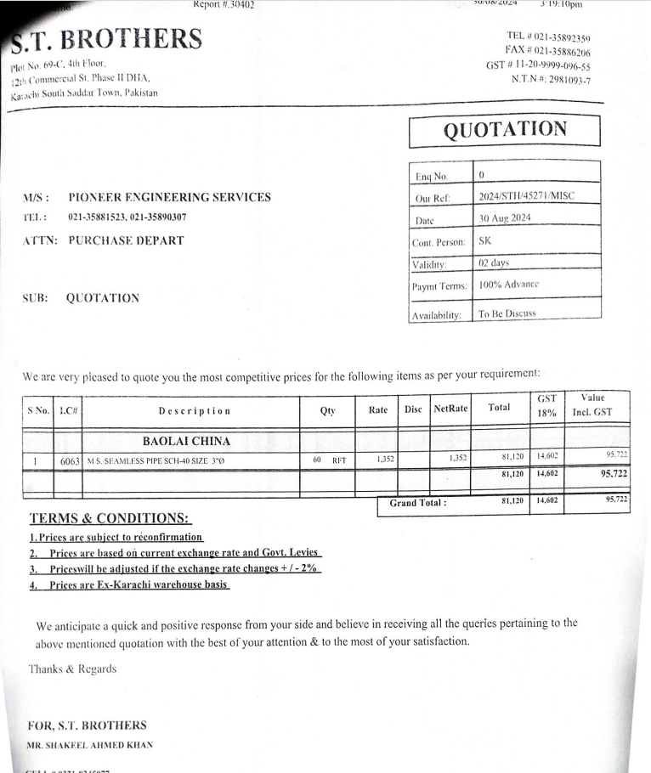


PES/DMC/006/08/24 |  |  |  |  |  |  |  | 2024-08-31

Attn: Mr. Anas Aftab

Variation order for MS Pipe - Dolmen Family Area DMC Karachi

S. # | Description | Material Rate | Labour Rate | Over Head profit 20% | Tax 7.5% | Unit | Qty | Amount
1 | Supply and installation of M.S Fire Pipe 75mm | 5,233 | 1,800 | 1,407 | 633 | RM | 15 | 136,089
Total Amount Rs |  |  |  |  |  |  |  | 136,089

Thanking you,

For PIONEER ENGINEERING SERVICES.

Bilal Habib

